Print Page 1
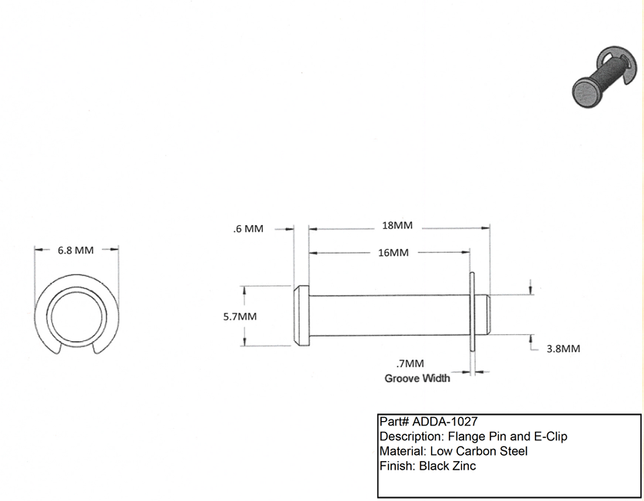

2
4
3
1

7

5
6

